Sheet1
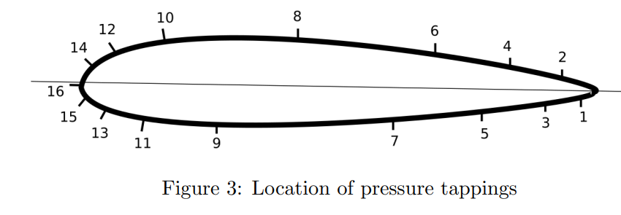
2024-12-05 |  | Pressure Tapping Array | TOP
Lab Group 07 |  |  | Hole No. | 1 | 3 | 5 | 7 | 9 | 11 | 13 | 15
 |  |  | x/c | 0.958 | 0.858 | 0.713 | 0.525 | 0.152 | 0.065 | 0.020 | 0.003
 |  |  | y/c | 0.00940 | 0.02815 | 0.04690 | 0.06565 | 0.06565 | 0.04690 | 0.02815 | 0.00940
 |  |  | BOTTOM
 |  |  | Hole No. | 16 | 14 | 12 | 10 | 8 | 6 | 4 | 2
 |  |  | x/c | 0.000 | 0.009 | 0.028 | 0.090 | 0.303 | 0.593 | 0.742 | 0.888
 |  |  | y/c | 0.00000 | 0.01875 | 0.03750 | 0.05625 | 0.07500 | 0.05625 | 0.03750 | 0.01875

Quantity | Units | Value
P_inf | Pa | 100000

 |  |  | Readings at Symetric Pressure dist
 |  |  | TOP
 |  |  | Hole No. | 1 | 3 | 5 | 7 | 9 | 11 | 13 | 15
 |  |  | P_n | 0.000 | 0.000 | 0.000 | 0.000 | 0.000 | 0.000 | 0.000 | 0.000
 |  |  | P_n - P_inf
 |  |  | BOTTOM
 |  |  | Hole No. | 16 | 14 | 12 | 10 | 8 | 6 | 4 | 2
 |  |  | P_n | 0.000 | 0.000 | 0.000 | 0.000 | 0.000 | 0.000 | 0.000 | 0.000
 |  |  | P_n - P_inf

 |  |  | Tube No. | 1 | 3 | 5 | 7 | 8 | 9 | 10 | 11 | 12
 |  |  | Distance From Tube 1 (cm) | 0 | 0.508 | 1.016 | 1.524

 |  |  | Tube No. | 13 | 14 | 15 | 16 | 17 | 18 | 20 | 22 | 24
 |  |  | Distance From Tube 1 (cm)

